BOM
Item | Part Number | Thumbnail | BOM Structure | Unit QTY | QTY | Stock Number | Description | REV
1 | SP25V1 Acrilico | 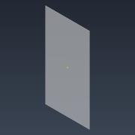 | Normal | 1 | 1
2 | SPE1V1 Estructura | 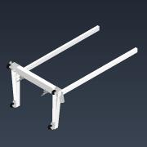 | Normal | 1 | 1
3 | SPE2V1 Baranda | 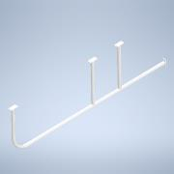 | Normal | 1 | 2
4 | DIN 933 - M8 x 20 | 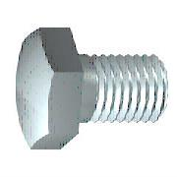 | Purchased | 1 | 16 |  | Perno de cabeza-hex
5 | DIN125-A8,4C |  | Purchased | 1 | 16 |  | DIN125-A8,4C
6 | Logo |  | Normal | 1 | 1
7 | SP16V1 Seguro Acrilico | 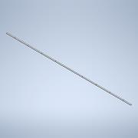 | Normal | 1 | 2
8 | 23316040030/00 | 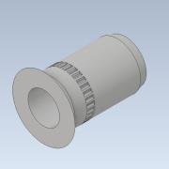 | Purchased | 1 | 18 |  | RIVKLE® Standard, countersunk head, knurled, cylindrical, open-
9 | ISO 7380-1 - M4 x 12 | 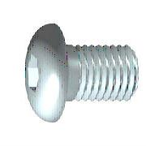 | Purchased | 1 | 18 |  | Hexagon Socket Button Head Screw - Product grade A
10 | SP26V1 Base Chapa | 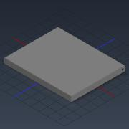 | Normal | 1 | 1

